Instructions
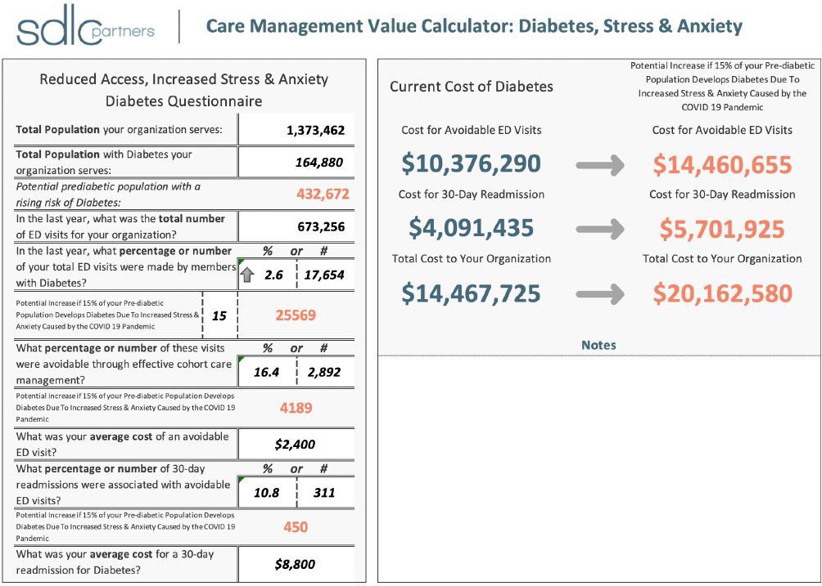

Purpose: The Care Management Value Calculator can be used to gain insight into, and visualize, the impact of stress and anxiety on two well-established, high-acuity patient populations -- (1) Diabetes/ Prediabetes, and (2) Behavioral Health Conditions with a Diabetes comorbidity.

Your Data:
Enter your data into any field with black bold font and a white background as indicated by the arrows in these instructions

For ED Visits, Avoidable ED Visits, and 30-Day Readmissions, you may enter a percentage or a number

Calculations:
All numbers with Blue Bold text indicate the calculated current impact of these populations pre-COVID-19.

All numbers with Orange Bold text indicate the potential impact of these populations as a result of the effects caused by the COVID-19 pandemic.

Diabetes, Stress & Anxiety
 |  |  | Care Management Value Calculator: Diabetes, Stress & Anxiety

 |  |  |  |  |  |  |  |  | Current Cost of Diabetes |  |  |  | Potential Increase if 20% of your Pre-diabetic Population Develops Diabetes Due To Increased Stress & Anxiety Caused by the COVID 19 Pandemic
Reduced Access, Increased Stress & Anxiety Diabetes Questionnaire

Total Population your organization serves: |  |  |  | 1,373,462 |  |  |  |  | Cost for Avoidable ED Visits |  |  |  | Cost for Avoidable ED Visits

Total Population with Diabetes your organization serves: |  |  |  | 165,487 |  |  |  |  | $10,414,490 |  |  |  | $15,857,575

Potential prediabetic population with a rising risk of Diabetes: |  |  |  | 432,455 |  |  |  |  | Cost for 30-Day Readmission |  |  |  | Cost for 30-Day Readmission

In the last year, what was the total number of ED visits for your organization? |  |  |  | 673,256 |  |  |  |  | $4,106,497 |  |  |  | $6,252,739

In the last year, what percentage or number of your total ED visits were made by members with Diabetes? |  |  |  | % or # |  |  |  |  | Total Cost to Your Organization |  |  |  | Total Cost to Your Organization
 |  |  |  | 2.6 | 17,654
 |  |  |  |  |  |  |  |  | $14,520,988 |  |  |  | $22,110,314
Potential Increase if 20% of your Pre-diabetic Population Develops Diabetes Due To Increased Stress & Anxiety Caused by the COVID 19 Pandemic |  |  | 20 | 26099
What percentage or number of these visits were avoidable through effective cohort care management? |  |  |  | % or # |  |  |  |  | Notes
 |  |  |  | 16.4 | 2,892

Potential Increase if 20% of your Pre-diabetic Population Develops Diabetes Due To Increased Stress & Anxiety Caused by the COVID 19 Pandemic |  |  |  | 4275
What was your average cost of an avoidable ED visit? |  |  |  | $2,400

What percentage or number of 30-day readmissions were associated with avoidable ED visits? |  |  |  | % or #
 |  |  |  | 10.8 | 311

Potential Increase if 20% of your Pre-diabetic Population Develops Diabetes Due To Increased Stress & Anxiety Caused by the COVID 19 Pandemic |  |  |  | 460
What was your average cost for a 30-day readmission for Diabetes? |  |  |  | $8,800

 |  |  | Care Management Value Calculator

Current vs Accelerated - Estimated 3-Year Growth in Avoidable ED Visits for Diabetic Population
 | Current Rate of Growth | Accelerated Rate
Today | 17,654 | 17,654
Month 3 | 17,849 | 19,749
Month 6 | 18,044 | 21,844
Month 9 | 18,239 | 23,939
Year 1 | 18,434 | 26,099
Year 2 | 19,227 | 34,543
Year 3 | 20,053 | 51,432

 | Today | Month 1 | Month 2 | Month 3 | Month 4 | Month 5 | Month 6 | Month 7 | Month 8 | Month 9 | Month 10 | Month 11 | Year 1 | Year 2 | Year 3
Current Rate of Growth | 17,654 | 17,719 | 17,784 | 17,849 | 17,914 | 17,979 | 18,044 | 18,109 | 18,174 | 18,239 | 18,304 | 18,369 | 18,434 | 19,227 | 20,053
Accelerated Rate | 17,654 | 18,352 | 19,051 | 19,749 | 20,447 | 21,145 | 21,844 | 22,542 | 23,240 | 23,939 | 24,637 | 25,335 | 26,099 | 34,543 | 51,432

 | Total Population | 1373462 | Potential Increase if |  | 165,487 |  |  |  | 1207975 | Pre-Diabetic Population | 432455 | 2892 | 0.20
 | Diabetic Population | 165487 | of your Pre-diabetic Population Develops Diabetes Due To Increased Stress & Anxiety Caused by the COVID 19 Pandemic |  |  |  |  |  |  | 17654 |  | 311 | 0.80

Beh. Health, Stress & Anxiety
 | Care Management Value Calculator: Behavioral Health, Stress & Anxiety

 |  |  |  | Current Cost of Behavioral Health |  |  | Potential increase if the stress & anxiety related to COVID-19 causes a 20% increase in the size of your population with behavioral health conditions.
Reduced Access, Increased Stress & Anxiety Behavioral Health Questionnaire

Total Population your organization serves: |  | 1,374,000 |  | Cost for Avoidable ED Visits |  |  |  | Cost for Avoidable ED Visits

Total Population with a behavioral health condition that your organization serves: |  | 43,523 |  | $3,269,772 |  |  |  | $4,147,605

Potential behavioral health population with a comorbidity of Diabetes: |  | 28,763 |  | Cost for 30-Day Readmission |  |  |  | Cost for 30-Day Readmission

In the last year, what was the total number of ED visits for your organization? |  | 673,256 |  | $1,289,291 |  |  |  | $1,851,586

In the last year, what percentage or number of your ED visits were made by members with Behavioral Health Conditions? |  | % or # |  | Total Cost to Your Organization |  |  |  | Total Cost to Your Organization
 |  | 3.1 | 21,075
 |  |  |  | $4,559,063 |  |  |  | $5,999,191
Potential increase if the stress & anxiety related to COVID-19 causes a 20% increase in the size of your population with behavioral health conditions. | 20 | 26,733
What percentage or number of these visits were avoidable through effective cohort care management? |  | % or # |  | Notes
 |  | 13.7 | 2,892

Potential increase if the stress & anxiety related to COVID-19 causes a 20% increase in the size of your population with behavioral health conditions. |  |  | 3668
What was your average cost of an avoidable ED visit? |  | $2,400

What percentage or number of 30-day readmissions were associated with avoidable ED visits? |  | % or #
 |  | 10.8 | 311

Potential increase if the stress & anxiety related to COVID-19 causes a 20% increase in the size of your population with behavioral health conditions. |  |  | 394
What was your average cost of a 30-day readmission for Behavioral Health Conditions? |  | $8,800

 | Care Management Value Calculator

Average per member per month Cost
Please enter your per member per month cost for a person with diabetes |  | $43.23
If the increased stress & anxiety casued by the COVID-19 pandemic causes an increase of 20% to your behavioral health population you will realize an increase in population from 43523 to 52228 individuals. According to research from The Journal of Nervous and Mental Disease 65% of that increase of 8705 will have a comorbidity with diabetes. |  |  |  |  | 52227.6 | 8704.6 | 5657.99 |  | 52228 | 0.20
 |  |  |  |  | 43,523 | 1330477 | With a comorbidity of diabetes or COPD that cost can be 4.5 times higher |  | 8705 | 0.80
 |  |  |  |  | Total Population | 1374000 | Potential increase if the stress & anxiety related to COVID-19 causes a | BH w DM population | 28763 | 2892
What that translates to is 5658 new patients with a diabetes & behavioral health comorbidity. Research from The ADA shows that you can expect an increase in cost of 4.5x for each of these individuals. At your current pmpm cost, you would see an increase from $43.23 to $194.54 per individual. |  |  |  |  | bh population | 43523 | % increase in the size of your population with behavioral health conditions. | 21075 | 5658 | 311
 |  |  |  |  | Behavioral Health condition only | Behavioral Health condition & Diabetes
 |  |  |  |  | 43 | 194.54

Notes

